Sheet3
Bug ID | Summary | Step to reproduce | Expected result | Actual Result | Severity | Priority | Screenshot/video | Reported BY | Date
HS-001 | Pop up message is displyed after entering valid password | 1.Open the URl 2.Click on sign up with guest 3.Enter Name 4.Enter Last Name 5.Enter Email id 6.Enter password | After Entering pasword the message should not be displyed | After Entering pasword the message is displyed | Medium | Medium | 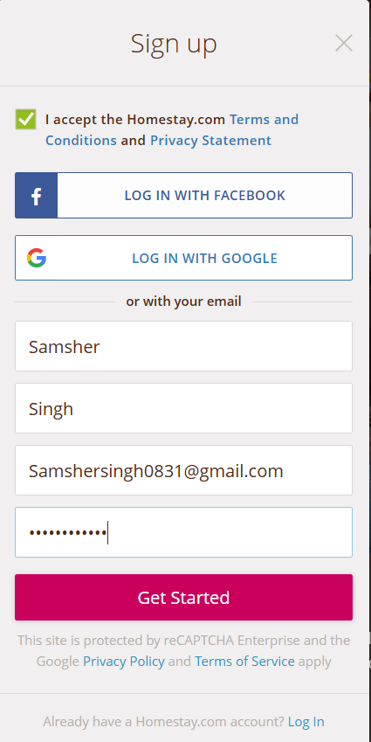 | Samsher Singh | 19/11/2024
HS-002 | There is no placeholder for confirm password | 1.Open the URl 2.Click on sign up with guest 3.Enter Name 4.Enter Last Name 5.Enter Email id 7.Enter password | After Entering password there should be placeholder for confirm password | After Entering pasword there is no placeholder for confirm password | Medium | Medium |  | Samsher Singh | 20/11/2024
HS-003 | Dropdown start with A alphabet | 1.Open the URl 2.Click on sign up with guest 3.Enter Name 4.Enter Last Name 5.Enter Email id 6.Enter password 7.navigate to homepage(header section) 8.click on INR | System should displyed dropdown start with A alphabet | Sytem should be displyed dropdown start with U alphabet | Medium | 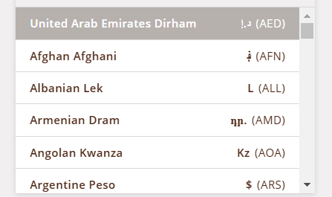 medium |  | Samsher Singh | 21/11/2024
HS-004 | Profile picture is not showing | 1.Open the URl 2.Click on sign up with guest 3.Enter Name 4.Enter Last Name 5.Enter Email id 6.Enter password 7.navigate to homepage(header section) 8.click on profile pic of user | System should be displyed Profile picture of Email id | System is not displyed profile picture of user | Medium | Medium |  | Samsher Singh | 22/11/2024
HS-005 | Tiktok symbol is not navigating | 1.Open the URl 2.Click on sign up with guest 3.Enter Name 4.Enter Last Name 5.Enter Email id 6.Enter password 7.navigate to homepage(Footer sction) 9.click on tiktok symbol | System should be navigate to the tiktok page | System is not navigating to tiktok page | Medium | Medium |  | Samsher Singh | 23/11/2024

